Parapharmacie
 |  |  |  |  |  | Catalogue Voltige 2025

 | Promotion septembre | ParaPharmacie |  |  |  | Contact | "0658183709"

CODIC | PHOTO | DESCRIPTION | PIECES | RETAIL PRICE | Price | Total Price | AIC CODE | EXPIRATION | LOT
Bab400557356 | 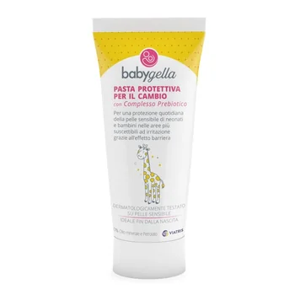 | BABYGELLA PREBIOTIC BODY CREAM 100ML | 640 | 12.00 € | 2.00 € | 1,280.00 € | 944700638 | 2026-07-31 | 341663
4580 | 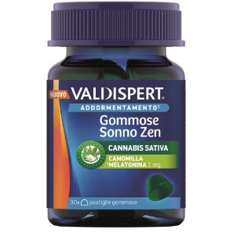 | Valdispert Sleep Zen 30 gummies | 824 | 18.00 € | 3.50 € | 2,884.00 € | 987779206 | 2026-12-30 | 25_01
4500 |  | VALDISPERT QUICK SLEEP GUMMY 30 | 2,707 | 18.00 € | 3.50 € | 9,474.50 € | 982441103 | 2026-04-30 | 24_02 - 24_02B
Bab400557663 |  | BABYGELLA EMOLLIENT OIL 100ML | 2,316 | 10.80 € | 2.20 € | 5,095.20 € | 944700653 | 2026-11-30 | 341662
Myt400990000 | 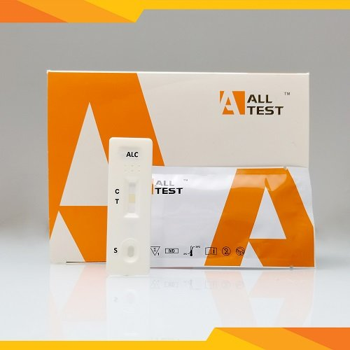 | Alcohol Test | 16,056 | 4.00 € | 0.90 € | 14,450.40 € | 950404119 | 31/12/26 31/03/27 | ATALC25010049 ATALC25030008 ATALC2503000
Sau400579067B |  | Bundle Saugella Attiva 250ml+Ass int regular x3+stickers | 7,068 | 12.00 € | 3.50 € | 24,738.00 € | 949870315 | 2026-11-30 | 345110
Cbd400560989 | 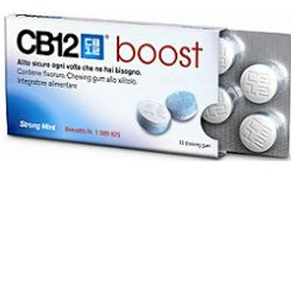 | CB12 BOOST 10 CHEWING-GUM BL | - | 5.20 € | 1.00 € | - € | 925930202 | 11/02/27 30/08/26 | B100516195 B100509660
Cbd400558533 |  | CB12 BAD BREATH TREATMENT FL 250ML | - | 11.30 € | 3.50 € | - € | 931666756 | 2026-11-30 | 343315 343316 343680
Cbd400572564 |  | CB12 COLLUT.MINT FLAV.500ML | - | 17.60 € | 3.70 € | - € | 984779304 | 2026-11-30 | 343318
Myt400536422 |  | SELF-TEST VIH (HIV TEST) | 4733 | 29.90 € | 4.00 € | 18,932.00 € | 971268634 | 2026-05-19 | IT24021
Arm400578776 |  | ARMOLIPID PLUS LIMITED ED 2024 60 CPR | 285 | 60.00 € | 15.00 € | 4,275.00 € | 949422669 | June 30, 2026 - July 31, 2026 | 343726 - 343728 - 343730 -343733
7021B | 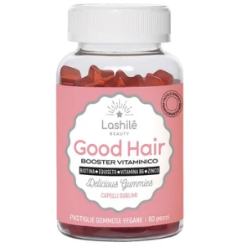 | LASHILE' GOOD HAIR - BUNDLE PACK 60 | 2228 | 35.00 € | 3.50 € | 7,798.00 € | 984635983 | 2026-11-30 | 4318A
7001 | 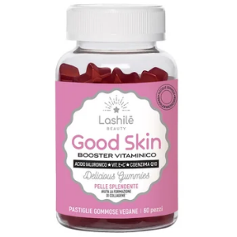 | LASHILE' GOOD SKIN S/Z 60 GUMMIES | 1160 | 35.00 € | 4.50 € | 5,220.00 € | 984635969 | 2026-09-30 | 4263
7042 | 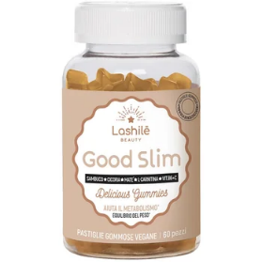 | LASHILE' GOOD SLIM S/Z 60 GUMMIES | 1510 | 25.00 € | 4.50 € | 6,795.00 € | 986852604 | 2026-09-30 | 4249A
7021 |  | LASHILE' GOOD HAIR 60 GUMMIES | 3214 | 25.00 € | 4.50 € | 14,463.00 € | ‎B0B3DQQLX1 | 2026-09-30 | 4249A
18000 | 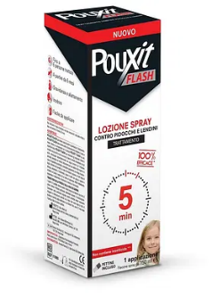 | POUXIT FLASH SPRAY 150 ML | 4000 | 25.00 € | 3.50 € | 14,000.00 € |  | 2026-03-31 | W23087D
2200 |  | CAROVIT SOLAR STICK ZONE SENS. SPF 50+ | 788 | 11.00 € | 3.00 € | 2,364.00 € | 940274323 | 2026-04-30 | 2193
 |  | Pouxit Shampoing 15 min | 4800 | 19.00 € | 3.00 € | 14,400.00 € | 940274324 | 2026-05-01
 |  | Audispray- kids | 2800 | 12.00 € | 3.00 € | 8,400.00 € | 7640107850622 | 2026-11-30 | 912467281
 |  | Audispray- Ultra | 28143 | 12.00 € | 3.00 € | 84,429.00 € | 7640107850622 | 2026-09-30 | 975995743

