By THERRRY
BRAND | DESCRIPTION | SHADES | EAN | QTY | PV HT | RETAIL | PICTURE | ORDER
BY TERRY PARIS | COVER EXPERT SPF 15 PERFECTING FLUID FOUNDATION ULTRA CORRECTING COVERAGE 35ML | N1 | 3700076442243 | 773 | 3.50 € | 49.00 €
BY TERRY PARIS |  | N2 | 3700076442250 | 1,314 | 3.50 € | 49.00 €
BY TERRY PARIS |  | N3 | 3700076442267 | 7,014 | 3.50 € | 49.00 €
BY TERRY PARIS | COVER EXPERT SPF15 FULL COVERAGE FOUNDATION MATTE PERFECTION 35ML | N1 | 3700076457933 | 12,939 | 3.50 € | 49.00 €
BY TERRY PARIS |  | N2 | 3700076457940 | 23,029 | 3.50 € | 49.00 €
BY TERRY PARIS |  | N3 | 3700076457957 | 4,785 | 3.50 € | 49.00 €
BY TERRY PARIS |  | N4 | 3700076457964 | 1,288 | 3.50 € | 49.00 €
BY TERRY PARIS | NUDE-EXPERT DUO STICK- FOUNDATION | N10 | 3700076450118 | 13 | 3.50 € | 35.00 €
BY TERRY PARIS |  | N15 | 3700076450439 | 686 | 3.50 € | 35.00 €
BY TERRY PARIS | LIP-EXPERT LIQUID LIPSTICK MATTE | N5 | 3700076451306 | 720 | 2.82 € | 32.00 € | 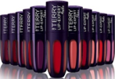
BY TERRY PARIS |  | N7 | 3700076451320 | 530 | 2.82 € | 32.00 €
BY TERRY PARIS |  | N11 | 3700076451368 | 476 | 2.82 € | 32.00 €
BY TERRY PARIS |  | N12 | 3700076451375 | 918 | 2.82 € | 32.00 €
BY TERRY PARIS |  | N13 | 3700076451382 | 596 | 2.82 € | 32.00 €
BY TERRY PARIS |  | N14 | 3700076451399 | 1,592 | 2.82 € | 32.00 €
BY TERRY PARIS |  | N15 | 3700076451405 | 1,339 | 2.82 € | 32.00 €
BY TERRY PARIS |  | N16 | 3700076451412 | 551 | 2.82 € | 32.00 €
BY TERRY PARIS | LIP-EXPERT LIQUID LIPSTICK SHINE | N8 | 3700076451016 | 1,240 | 2.82 € | 32.00 €
BY TERRY PARIS |  | N9 | 3700076451023 | 771 | 2.82 € | 32.00 €
 |  |  |  | 60,574

DECLEOR
Category | Franchise | Description | Format | EAN | Batch Code | QTY A jour | SPECIAL PRICE | RETAIL PRICE | PICTURE | Order
Face Care | Sweet Orange | DECLEOR Orange Sleeping Mask 50Ml | Tube 50.000 Ml | 3395017710002 | 54W102 | 1457 | 8.00 € | 35.00 € | 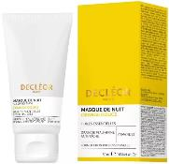
Face Care | Rosemary Officinalis | DECLEOR Romarin Fluid 50Ml V | Tube 50.000 Ml | 3395019927040 | 54W901 | 11952 | 8.00 € | 35.00 € | 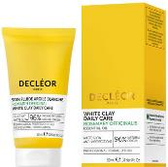
Face Care | Neroli Bigarade | DECLEOR Test Neroli Oil Mask 50Ml | Tube 50.000 Ml | 3395015380009 | 54W102 | 20 | 8.30 € | 35.00 € | 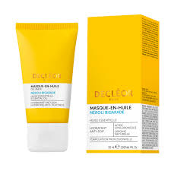
Face Care | Rosemary Officinalis | DECLEOR Sam Romarin Masque 5Ml V | Sachet 5.000 Ml | 3395019927484 |  | 22312 | 5.30 € | 9.90 € |  | one free for one buy
Face Care | Neroli Bigarade | DECLEOR Aromessence Neroli Amara - 5ml *10 | Bottle 5.000 Ml | 103395012221534 |  | 2880 | 5.30 €
Face Care | Lavender Fine | DECLEOR Lav Firm Cream 2022 3Ml | Sachet 3.000 Ml | 30161030 | 54W900 | 2694 | 5.30 € | 9.90 € |  | one free for one buy
Face Care | Green Mandarin | DECLEOR Gommage Scrub - 50ml | Tube 50.000 Ml | 103395014521502 |  | 39 | 5.80 € | 18.00 €
Face Care | Green Mandarin | DECLEOR Csar Aromaplastie Cream Mask 50Ml | Jar 50.000 Ml | 3337875806572 | 54W81X | 18493 | 10.10 € | 40.00 €
Face Care | Cica botanic | DECLEOR Csar Eucalyptus Cica Mask 50Ml | Tube 50.000 Ml | 3337875761277 | 54W203 | 1292 | 8.30 € | 35.00 € | 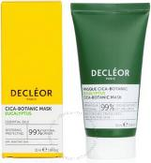
Body Care | Other | DECLEOR Post Epil Face Body 125Ml | Tube 125.000 Ml | 3395019911711 | 54X71A | 2146 | 6.50 € | 24.90 €
 |  |  |  |  |  | 63285

Essie
DESCRIPTION | EAN | Num Color | Shade Color | SIZE | QTES | PV HT | PPI | PICTURE | Order
ESSIE NAIL LACQUER 13.5ml
ESSIE Classic - NailPolish | 30178892 | 705 | Kaf-Tan | 13.5ml | #NAME? | 2.03 € | 12.50 € | 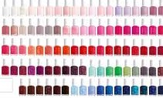
ESSIE Classic - NailPolish | 30178878 | 703 | Bustling Bazaar | 13.5ml | #NAME? | 2.03 € | 12.50 €
ESSIE Classic - NailPolish | 30152373 | 907 | Shunshne be Summer | 13.5ml | #NAME? | 2.03 € | 12.50 €
ESSIE Classic - NailPolish | 30147256 | 905 | Grass Never | 13.5ml | #NAME? | 2.03 € | 12.50 €
ESSIE Classic - NailPolish | 30147744 | 845 | Revenge' S A Beach | 13.5ml | #NAME? | 2.03 € | 12.50 €
ESSIE Classic - NailPolish | 30150607 | 821 | Row With The Flow | 13.5ml | #NAME? | 2.03 € | 12.50 €
ESSIE Classic - NailPolish | 30152731 | 831 | Sing Songbird Along | 13.5ml | #NAME? | 2.03 € | 12.50 €
ESSIE Classic - NailPolish | 30161597 | 792 | Serving Look | 13.5ml | #NAME? | 2.03 € | 12.50 €
ESSIE Classic - NailPolish | 30172852 | 608 | Serene Slate | 13.5ml | #NAME? | 2.03 € | 12.50 €
ESSIE Classic - NailPolish | 30144828 | 870 | You're A Natural | 13.5ml | #NAME? | 2.03 € | 12.50 €
ESSIE Classic - NailPolish | 30152137 | 926 | Lights Down | 13.5ml | #NAME? | 2.03 € | 12.50 €
ESSIE Classic - NailPolish | 30149953 | 864 | Risk-taker Only | 13.5ml | #NAME? | 2.03 € | 12.50 €
ESSIE Classic - NailPolish | 30153189 | 830 | Quill You Be Mine | 13.5ml | #NAME? | 2.03 € | 12.50 €
ESSIE Classic - NailPolish | 30164277 | 816 | Don'T K | 13.5ml | #NAME? | 2.03 € | 12.50 €
ESSIE Classic - NailPolish | 30178908 | 706 | Worth The Tassel | 13.5ml | #NAME? | 2.03 € | 12.50 €
ESSIE Classic - NailPolish | 30095632 | 61 | Russian Ro | 13.5ml | #NAME? | 2.03 € | 12.50 €
ESSIE Classic - NailPolish | 30148048 | 820 | Swoon In The L | 13.5ml | #NAME? | 2.03 € | 12.50 €
ESSIE Classic - NailPolish | 30095908 | 88 | Licorice | 13.5ml | #NAME? | 2.03 € | 12.50 €
ESSIE Classic - NailPolish | 30096059 | 201 | Bobbing For Baubles | 13.5ml | #NAME? | 2.03 € | 12.50 €
ESSIE Classic - NailPolish | 30170933 | 572 | Venture To | 13.5ml | #NAME? | 2.03 € | 12.50 €
ESSIE Classic - NailPolish | 30178342 | 686 | Spring In Your Ste | 13.5ml | #NAME? | 2.03 € | 12.50 €
ESSIE Classic - NailPolish | 30095809 | 78 | Master Pla | 13.5ml | #NAME? | 2.03 € | 12.50 €
ESSIE Classic - NailPolish | 30179424 | 722 | Feelin Poppy | 13.5ml | #NAME? | 2.03 € | 12.50 €
ESSIE Classic - NailPolish | 95008027906 |  |  | 13.5ml | #NAME? | 2.03 € | 12.50 €
ESSIE Classic - NailPolish | 95008038179 | 1596 | Under Wraps Glitter | 13.5ml | #NAME? | 2.03 € | 12.50 €
ESSIE Classic - NailPolish | 95008039947 | 215 | One Way For One | 13.5ml | #NAME? | 2.03 € | 12.50 €
ESSIE Classic - NailPolish | 30145306 | 861 | Imported Bubbly | 13.5ml | #NAME? | 2.03 € | 12.50 €
ESSIE Classic - NailPolish | 30161924 | 818 | Glee Fo | 13.5ml | #NAME? | 2.03 € | 12.50 €
ESSIE Classic - NailPolish | 95008040264 | 1603 | Unwrap Me | 13.5ml | #NAME? | 2.03 € | 12.50 €
ESSIE Classic - NailPolish | 30162044 | 776 | Tangerine Te | 13.5ml | #NAME? | 2.03 € | 12.50 €
ESSIE Classic - NailPolish | 30167100 | 778 | Twilight Del | 13.5ml | #NAME? | 2.03 € | 12.50 €
ESSIE Classic - NailPolish | 30095427 | 40 | Demure Vix | 13.5ml | #NAME? | 2.03 € | 12.50 €
ESSIE Classic - NailPolish | 30149793 | 892 | You re Scent | 13.5ml | #NAME? | 2.03 € | 12.50 €
ESSIE Classic - NailPolish | 30145023 |  |  | 13.5ml | #NAME? | 2.03 € | 12.50 €
ESSIE Classic - NailPolish | 95008013411 | 665 | Topless and barefoot | 13.5ml | #NAME? | 2.03 € | 12.50 €
ESSIE Classic - NailPolish | 95008018508 | 684 | Petal Pushers | 13.5ml | #NAME? | 2.03 € | 12.50 €
ESSIE Classic - NailPolish | 95008033938 | 1552 | teacup half full | 13.5ml | #NAME? | 2.03 € | 12.50 €
ESSIE Classic - NailPolish | 95008036380 |  | Rocky Rose | 13.5ml | #NAME? | 2.03 € | 12.50 €
ESSIE Classic - NailPolish | 95008040271 |  | Love & Chocolate | 13.5ml | #NAME? | 2.03 € | 12.50 €
ESSIE Classic - NailPolish | 95008007861 |  | Bikini So Teeny | 13.5ml | #NAME? | 2.03 € | 12.50 €
ESSIE Classic - NailPolish | 95008024103 |  |  | 13.5ml | #NAME? | 2.03 € | 12.50 €
ESSIE Classic - NailPolish | 95008040288 |  | Talk Sweet to Me | 13.5ml | #NAME? | 2.03 € | 12.50 €
ESSIE Classic - NailPolish | 95008030913 | 1533 | glow with the flow | 13.5ml | #NAME? | 2.03 € | 12.50 €
ESSIE Classic - NailPolish | 95008033907 | 1549 | stirring secrets | 13.5ml | #NAME? | 2.03 € | 12.50 €
ESSIE Classic - NailPolish | 95008042565 |  |  | 13.5ml | #NAME? | 2.03 € | 12.50 €
ESSIE Classic - NailPolish | 95008002958 | 740 | Go Overboard | 13.5ml | #NAME? | 2.03 € | 12.50 €
ESSIE Classic - NailPolish | 95008024110 | 1906 | Stencil Me In | 13.5ml | #NAME? | 2.03 € | 12.50 €
ESSIE Classic - NailPolish | 30163997 | 966 | Breathe In | 13.5ml | 300 | 2.03 € | 12.50 €
ESSIE Classic - NailPolish | 30147065 | 945 | Put In On | 13.5ml | 213 | 2.03 € | 12.50 €
ESSIE Classic - NailPolish | 30147355 |  |  | 13.5ml | 150 | 2.03 € | 12.50 €
ESSIE Classic - NailPolish | 95008029009 | 1513 | all daisy long | 13.5ml | #NAME? | 2.03 € | 12.50 €
ESSIE Classic - NailPolish | 95008031996 | 687 | Serene Slate | 13.5ml | #NAME? | 2.03 € | 12.50 €
ESSIE Classic - NailPolish | 95008036304 | 603 | Rocky Rose | 13.5ml | #NAME? | 2.03 € | 12.50 €
ESSIE Classic - NailPolish | 95008040714 |  | pearl finish | 13.5ml | #NAME? | 2.03 € | 12.50 €
ESSIE Classic - NailPolish | 95008040752 | 1608 | Make a Splash | 13.5ml | #NAME? | 2.03 € | 12.50 €
ESSIE Classic - NailPolish | 95008041513 | 13 | Mademoiselle | 13.5ml | #NAME? | 2.03 € | 12.50 €
ESSIE Classic - NailPolish | 95008045412 | 1659 | Once In a Blue Moon | 13.5ml | #NAME? | 2.03 € | 12.50 €
ESSIE Classic - NailPolish | 95008045436 | 1657 | Broom With A View | 13.5ml | #NAME? | 2.03 € | 12.50 €
ESSIE Classic - NailPolish | 95008027876 | 204 | Let It Glow | 13.5ml | #NAME? | 2.03 € | 12.50 €
ESSIE Classic - NailPolish | 95008036373 | 599 | Set In Sandstone | 13.5ml | #NAME? | 2.03 € | 12.50 €
ESSIE Classic - NailPolish | 95008001067 | 744 | Trophy Wife | 13.5ml | #NAME? | 2.03 € | 12.50 €
ESSIE Classic - NailPolish | 95008019833 | 1155 | Pool Side Service | 13.5ml | #NAME? | 2.03 € | 12.50 €
ESSIE Classic - NailPolish | 95008041681 | 1639 | Adrenaline Brush | 13.5ml | #NAME? | 2.03 € | 12.50 €
ESSIE Classic - NailPolish | 30177093 | 666 | Making Spirits Bright | 13.5ml | #NAME? | 2.03 € | 12.50 €
ESSIE Classic - NailPolish | 95008012599 | 667 | Cocktails and Coconuts | 13.5ml | #NAME? | 2.03 € | 12.50 €
ESSIE Classic - NailPolish | 95008036151 | 1568 | Of Quartz | 13.5ml | #NAME? | 2.03 € | 12.50 €
ESSIE Classic - NailPolish | 95008043494 | 1655 | Love At Frost Sight | 13.5ml | #NAME? | 2.03 € | 12.50 €
ESSIE Classic - NailPolish | 95008045467 | 1662 | Like A Charm | 13.5ml | #NAME? | 2.03 € | 12.50 €
ESSIE Classic - NailPolish | 95008052809 | 1721 | Sing Songbird Along | 13.5ml | #NAME? | 2.03 € | 12.50 €
ESSIE Classic - NailPolish | 30147249 | 913 | Light & Faire | 13.5ml | #NAME? | 2.03 € | 12.50 €
ESSIE Classic - NailPolish | 30147409 | 867 | Off The Grid | 13.5ml | #NAME? | 2.03 € | 12.50 €
ESSIE Classic - NailPolish | 30162143 | 808 | High Voltage Vinyl | 13.5ml | #NAME? | 2.03 € | 12.50 €
...

Maybelline
...
 |  | MASCARA
 | 255 Soft Brown | 30145047 | 204 | 2.90 € | 12.00 €
MAYBELLINE Brow Satin Duo - Eyebrow | 00 Blond Clair | 3600531640361 | 3 | 2.90 € | 12.00 €
 | 002 Medium Brown | 3600531640385 | 2 | 2.90 € | 12.00 €
MAYBELLINE Master Shape Crayon Sourcils - EyeBrow | Deep Brown | 3600530803873 | 156 | 2.90 € | 12.00 €
 | Dark Blond | 3600530803859 | 1 | 2.90 € | 12.00 €
MAYBELLINE Tattoo Brow Pen - EyeBrow | 100 Blonde | 3600531442866 | 1048 | 2.90 € | 12.00 €
MAYBELLINE Tatoo Brow Lift - Eyebrow | 00 Clear | 3600531650704 | 4683 | 2.90 € | 12.00 €
 | 01 Blonde | 3600531650711 | 865 | 2.90 € | 12.00 €
 | 02 Soft Brown | 3600531650728 | 1818 | 2.90 € | 12.00 €
 | 3 Medium Brown | 3600531650735 | 1372 | 2.90 € | 12.00 €
MAYBELLINE Brow Extension Stick - EyeBrow | 00 Light Blonde | 3600531606497 | 1219 | 2.90 € | 12.00 € | 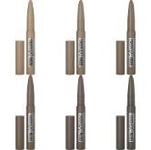
 | 01 Blonde | 3600531606503 | 4227 | 2.90 € | 12.00 €
 | 02 Soft Marron | 3600531606510 | 10576 | 2.90 € | 12.00 €
 | 04 Medium Brown | 3600531606527 | 2090 | 2.90 € | 12.00 €
 | 4 Brun | 3600531606589 | 280 | 2.90 € | 12.00 €
 | 06 Deep Brown | 3600531606534 | 98 | 2.90 € | 12.00 €
 | 06 Deep Brown | 3600531606596 | 100 | 2.90 € | 12.00 €
 | 07 Black Brown | 3600531606541 | 180 | 2.90 € | 12.00 €
 |  | EYELINER
DESCRIPTIF | COLOR | CODE EAN | QTY TOTAL |  | PUBLIC PRICE | PHOTO
Maybelline Lasting Drama - EyeLiner | 30 Brown Sugar | 3600531684938 | 34 | 2.40 € | 12.00 €
...
 |  | MASCARA
 | 817 Hunter Green | 3600531687182 | 13 | 2.40 € | 12.00 €
 | 921 Deep | 8411300896385 | 1 | 2.40 € | 12.00 €
 | 900 Deep Onyx | 3600531531065 | 1 | 2.40 € | 12.00 €
MAYBELLINE Tatto Liner Smokey - Eyeliner | 40 Smokeybrown | 3600531638979 | 1 | 2.40 € | 12.00 €
MAYBELLINE Lasting Drama Lightliner - EyeLiner | 25 Glimme | 3600531443412 | 165 | 2.40 € | 12.00 €
 | 45 Midnight Light | 3600531443474 | 841 | 2.40 € | 12.00 €
 | 10 Gold Light | 3600531443498 | 85 | 2.40 € | 12.00 €
 |  | EYEPENCIL
DESCRIPTIF | COLOR | CODE EAN | QTY TOTAL |  | PUBLIC PRICE | PHOTO
MAYBELLINE Master Drama Nudes - EyePencil | 19 Pearly Taupe | 3600531292560 | 43 | 1.90 € | 9.00 €
MAYBELLINE Color Show Khol - EyePencil | 100 Ultra Black | 3600530905461 | 32645 | 1.90 € | 9.00 € | 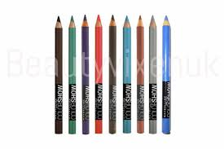
MAYBELLINE Express brow precise - EyePencil | 02 Blonde | 3600531662363 | 278 | 2.40 € | 12.00 €
 | 04 Medium Brown | 3600531662387 | 169 | 2.40 € | 12.00 €
MAYBELLINE Expression Kajal - EyePencil | 33 Black | 4084200653309 | 79 | 2.40 € | 12.00 €
 |  | EYESHADOW
DESCRIPTIF | COLOR | CODE EAN | QTY TOTAL |  | PUBLIC PRICE | PHOTO
MAYBELLINE Color Tatoo 24HR - Eyeshadow |  | 3600531581466 | 150 | 0.40 € |  | 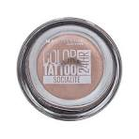
MAYBELLINE Color Strike - EyeShadow | 50 Hustle | 3600531621582 | 102 | 1.40 € | 9.00 €
MAYBELLINE Color Sensational Mono - EyeShadow | 80 Vanilla | 30141681 | 3456 | 1.40 € | 9.00 € | 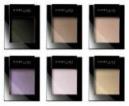
 | 125 Night | 30141773 | 1 | 1.40 € | 9.00 €
MAYBELLINE Eyestudio - Eyeshadow | 420 Blue Mystique | 3600530475582 | 6 | 1.40 € | 9.00 €
MAYBELLINE Color Tatoo 24H Eye Stix - EyeShadow | 45 I Am Giving | 3600531672621 | 4 | 1.90 € | 9.00 €
 | 50 I Am Unique | 3600531672638 | 6 | 1.90 € | 9.00 €
 | 55 I Am Fearless | 3600531672645 | 5 | 1.90 € | 9.00 €
MAYBELLINE Graffiti Pallette - EyeShadow | The Graffiti Nudes | 5021044114091 | 407 | 4.40 € | 16.00 € | 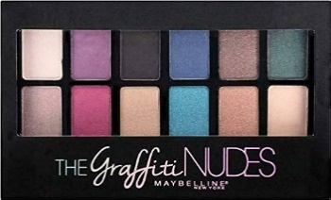
 |  | FOUNDATION
DESCRIPTIF | COLOR | CODE EAN | QTY TOTAL |  | PUBLIC PRICE | PHOTO
MAYBELLINE Fit Me Matte + Poreless Liquide 30ml - Foundation | 352 Truffle Cacao | 3600531395551 | 634 | 3.90 € | 15.00 €
 | 330 Toffee | 8411300690662 | 231 | 3.90 € | 15.00 €
 | Hydrating Primer | 3600531631390 | 249 | 3.90 € | 15.00 €
 | 105 Natural Ivory | 8411300883842 | 3 | 3.90 € | 15.00 €
 | 230 BEIGE SABLE | 8411300532214 | 50 | 3.90 € | 15.00 €
 | 352 Truffle Cacao | 3600531430016 | 4837 | 3.90 € | 15.00 €
 | 110 Porcelaine | 3600531324506 | 7 | 3.90 € | 15.00 €
 | 115 Ivory | 3600531324513 | 16 | 3.90 € | 15.00 €
...
 |  | MASCARA
 | 355 Pecan | 3600531395537 | 228 | 3.90 € | 15.00 €
 | 360 Moccha | 3600531369477 | 267 | 3.90 € | 15.00 €
 | 100 Warm Ivory | 3600531369330 | 128 | 3.90 € | 15.00 €
 | 120 Classic Ivoire | 3600531325138 | 16 | 3.90 € | 15.00 €
 | 355 Noix De Pécan | 3600531524913 | 1 | 3.90 € | 15.00 €
MAYBELLINE Superstay 30h Active Wear - Foundation | 78 Deep Bronze | 3600531632748 | 48 | 3.90 € | 15.00 €
 | 56 Toffee | 3600531632618 | 87 | 3.90 € | 15.00 €
 | 65 Coconut | 3600531632687 | 269 | 3.90 € | 15.00 €
 | 22 Light Bisque | 3600531632427 | 1 | 3.90 € | 15.00 €
MAYBELLINE Fit Me Tinted Moisturizer - Foundation | 103 | 41554062892 | 14 | 2.90 € | 15.00 €
MAYBELLINE Fit Me Dewy + Smooth - Foundation | 115 Fair Porcelain | 41554553307 | 1103 | 3.90 € | 15.00 € | 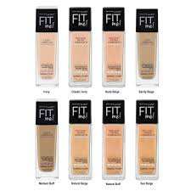
 | 228 Soft Tan | 41554553352 | 204 | 3.90 € | 15.00 €
 | 250 Sun Beige | 3600530746613 | 5 | 3.90 € | 15.00 €
 | 330 Toffee Toffee | 41554400816 | 120 | 3.90 € | 15.00 €
MAYBELLINE Dream Radiant Liquide 30 ml - Foundation | 21 Light Medium | 8411300722929 | 1339 | 3.90 € | 15.00 €
 | 40 Sune Beige | 8411300723063 | 603 | 3.90 € | 15.00 €
 | 30 Sand | 3600531459208 | 9 | 3.90 € | 15.00 €
 | 30 Sand | 8411300722998 | 2060 | 3.90 € | 15.00 €
 | 41 Warm Beige | 3600531388171 | 1 | 3.90 € | 15.00 €
MAYBELLINE Dream Velvet 30ml - Foundation | 20 Ivory | 5021044109936 | 88 | 3.40 € | 15.00 € | 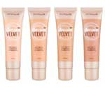
 | 40 Cannelle | 3600531294663 | 783 | 3.40 € | 15.00 €
 | 48 Sun Beige | 3600531294656 | 495 | 3.40 € | 15.00 €
 | 20 Ivory | 5021044109967 | 5 | 3.40 € | 15.00 €
 | 5 Porcelain | 5021044109882 | 8 | 3.40 € | 15.00 €
MAYBELLINE Dream Urban Cover SPF50 30ml - Foundation | 095 Fair Porcelain | 3600531554194 | 74 | 3.40 € | 15.00 € | 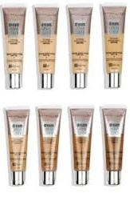
 | 100 Warm Ivory | 3600531554132 | 2970 | 3.40 € | 15.00 €
 | 111 Cool Ivoire | 3600531554361 | 2562 | 3.40 € | 15.00 €
 | 116 Sesame | 3600531554248 | 788 | 3.40 € | 15.00 €
 | 130 Buff Beige | 3600531554347 | 1932 | 3.40 € | 15.00 €
 | 360 Café | 3600531554293 | 7 | 3.40 € | 15.00 €
MAYBELLINE anti-age Perfector 4-in1 - Foundation | 05 Deep | 3600531639525 | 3099 | 3.40 € | 15.00 € | 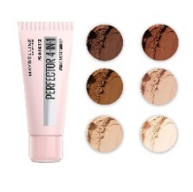
 | 01 Light | 3600531639501 | 218 | 3.40 € | 15.00 €
 | 03 Medium | 3600531639518 | 1369 | 3.40 € | 15.00 €
 | 02 Light Meduim | 3600531639600 | 119 | 3.40 € | 15.00 €
 | 00 Fair Light | 3600531643171 | 362 | 3.40 € | 15.00 €
 | Matte Medium Deep | 3600531643188 | 1464 | 3.40 € | 15.00 €
MAYBELLINE Mega Mousse Green Edition Oil - Foundation | 10 | 3600531650223 | 239 | 3.90 € | 15.00 €
 | 30 | 3600531650247 | 5 | 3.90 € | 15.00 €
 | 40 | 3600531650254 | 2 | 3.90 € | 15.00 €
 | 60 | 3600531650278 | 128 | 3.90 € | 15.00 €
 | 25 Glamm | 3600531663322 | 61 | 3.90 € | 15.00 €
MAYBELLINE Fond De Teint Stick Multifonction - Foundation | 3 True Ivory | 30170728 | 94 | 3.90 € | 15.00 €
 | 30 Sand | 30170759 | 160 | 3.90 € | 15.00 €
MAYBELLINE Master Prime Anti-Dullness 30 ml - Foundation | 40 Anti Dullness | 3600531400668 | 1996 | 3.40 € | 15.00 €
MAYBELLINE Dream Matte BB 8in1 30ml - Foundation | 4 Light Medium | 3600530878611 | 8690 | 3.40 € | 15.00 € | 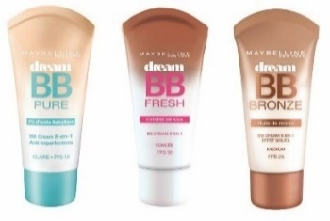
 |  | POWDER
DESCRIPTIF | COLOR | CODE EAN | QTY TOTAL |  | PUBLIC PRICE | PHOTO
MAYBELLINE Mega Mousse Green Edition - Powder | 45 | 3600531659288 | 465 | 2.90 € | 13.00 € | 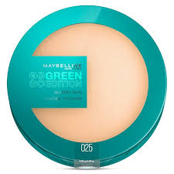
 | 100 | 3600531659325 | 56 | 2.90 € | 13.00 €
 | 25 Blurry Skin | 3600531659264 | 127 | 2.90 € | 13.00 €
MAYBELLINE FaceStudio Setting Powder - Powder | 3 Porcelain | 3600531539955 | 4 | 2.90 € | 13.00 €
 | 012 Nude | 3600531539962 | 175 | 2.90 € | 13.00 €
 | 9 Ivory | 3600531540005 | 1 | 2.90 € | 13.00 €
MAYBELLINE New York Shine Free Oil Control - Powder | 240 Medium | 41554566505 | 284 | 3.90 € |  | 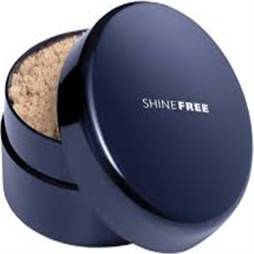
MAYBELLINE Matte Maker Mattifying - Powder | 35 Amber Beige | 3600531081782 | 406 | 2.90 € | 13.00 € | 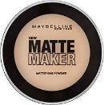
 |  | HIGHLIGHTER
DESCRIPTIF | COLOR | CODE EAN | QTY TOTAL |  | PUBLIC PRICE | PHOTO
MAYBELLINE Face Studio Chrome Extreme - Highlighter |  | 3600531524197 | 92 | 3.40 € | 13.00 €
MAYBELLINE Face Studio Chrome Jelly - Highlighter | 40 Metallic Gold | 3600531581213 | 4 | 3.40 € | 13.00 €
 | 30 Metallic Bronze | 30175785 | 4 | 3.40 € | 13.00 €
MAYBELLINE Master Sculpt Contouring Palette - Highlighter | 1 Light Medium | 5021044107857 | 27 | 3.40 € | 13.00 € | 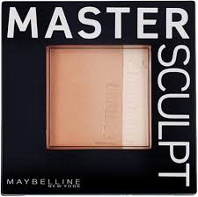
MAYBELLINE Strobing Liquid - Highlighter | 200 Medium | 3600531359294 | 7 | 3.40 € | 13.00 €
 |  | BLUSH
DESCRIPTIF | COLOR | CODE EAN | QTY TOTAL |  | PUBLIC PRICE | PHOTO
MAYBELLINE Fit Me - Blush | 120 Classic Ivory | 8411300835513 | 15 | 3.40 € | 13.00 €
 |  | CONCEALER
DESCRIPTIF | COLOR | CODE EAN | QTY TOTAL |  | PUBLIC PRICE | PHOTO
MAYBELLINE Superstay Active Wear 30H - Concealer | 25 Medium | 8445098248330 | 37 | 3.40 € | 15.00 € | 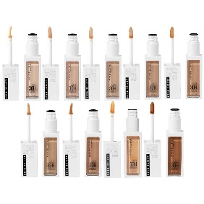
 | 30 Honey | 8445098248378 | 27 | 3.40 € | 15.00 €
 | 065 Deep Bronze | 3600531648060 | 307 | 3.40 € | 15.00 €
 | 45 Tan | 3600531648039 | 50 | 3.40 € | 15.00 €
MAYBELLINE Superstay Full Coverage 6ml - Concealer | 5 Ivory | 30175525 | 69 | 3.40 € | 15.00 €
 | 15 Light | 30175549 | 60 | 3.40 € | 15.00 €
 | 25 Medium | 30175570 | 8 | 3.40 € | 15.00 €
 | 5 Ivory | 3600531575724 | 11 | 3.40 € | 15.00 €
MAYBELLINE Fit Me - Concealer | 55 Noisette | 30155824 | 8 | 3.40 € | 15.00 €
 | 05 Ivory | 30155831 | 57 | 3.40 € | 15.00 €
 |  | BABY LIPS
DESCRIPTIF | COLOR | CODE EAN | QTY TOTAL |  | PUBLIC PRICE | PHOTO
MAYBELLINE Baby Lips Color Balm - LipBalm | 18 Blueberry | 30137769 | 216 | 2.20 € | 12.00 €
 |  | LIPSTICK
DESCRIPTIF | COLOR | CODE EAN | QTY TOTAL |  | PUBLIC PRICE | PHOTO
MAYBELLINE Superstay Ink Crayon - LipStick | 190 Blow The Candle | 30148000 | 87 | 2.90 € | 14.00 €
MAYBELLINE Kit Duo Levres Metallique Python - LipStick | 5 Passionate | 3600531461614 | 78 | 2.90 € | 14.00 € | 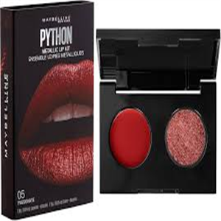
MAYBELLINE La Lip Palette - LipStick | 1 Crimson | 3600531367275 | 521 | 2.90 € | 14.00 € | 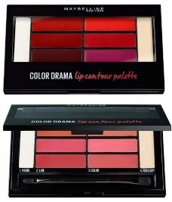
 | 02 Blushed | 3600531367268 | 3 | 2.90 € | 14.00 €
MAYBELLINE Superstay Matte Ink - LipStick | 90 Huntress | 3600531469443 | 3942 | 2.90 € | 14.00 €
 | 150 Pathfinder | 3600531579050 | 1 | 2.90 € | 14.00 €
 | 260 Hazel | 3600531623135 | 1 | 2.90 € | 14.00 €
 | 330 Innovator New | 3600531631161 | 1 | 2.90 € | 14.00 €
 | 60 Poete Nu | 3600531469467 | 1 | 2.90 € | 14.00 €
MAYBELLINE Color Sensational Ultimatte - LipStick | 99 More Berry | 30162259 | 72 | 2.90 € | 14.00 €
 | 899 More Rust | 30167186 | 676 | 2.90 € | 14.00 €
 | 299 More Scarlet | 30162051 | 183 | 2.90 € | 14.00 €
MAYBELLINE Mega Mousse Green Edition - Lipstick | 001 Ecliptic | 30150362 | 444 | 2.20 € | 14.00 € | 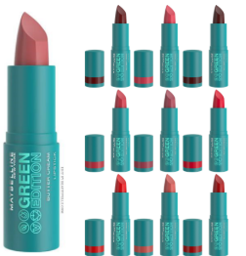
 | 004 Maple | 30147812 | 295 | 2.20 € | 14.00 €
 | 005 Rainforest | 30150379 | 402 | 2.20 € | 14.00 €
 | 006 Dusk | 30163454 | 381 | 2.20 € | 14.00 €
 | 07 Garden | 30145269 | 379 | 2.20 € | 14.00 €
 | 08 Floral | 30147829 | 174 | 2.20 € | 14.00 €
 | 010 Lagoon | 30152946 | 223 | 2.20 € | 14.00 €
 | 012 Shore | 30147836 | 312 | 2.20 € | 14.00 €
 | 013 Shell | 30150393 | 402 | 2.20 € | 14.00 €
 | 015 Windy | 30145283 | 162 | 2.20 € | 14.00 €
 | 011 Glacier | 30145276 | 47 | 2.20 € | 14.00 €
MAYBELLINE Hydra Extreme Collagen - LipStick | 900 Rebel Rouge | 3600531547295 | 7 | 2.20 € | 14.00 €
 | 907 Rose Spell | 3600531608286 | 12 | 2.20 € | 14.00 €
 | 927 Rose | 3600531608293 | 6 | 2.20 € | 14.00 €
 | 923 Strawberry | 3600531608309 | 6 | 2.20 € | 14.00 €
MAYBELLINE Color Sensational Powder Mattes - LipStick | 05 Cruel Rudy | 3600531464165 | 4194 | 2.40 € | 12.00 €
 | 10 Nocturnal Rose | 3600531464172 | 1004 | 2.40 € | 12.00 €
 | 30 Concrete | 3600531464271 | 231 | 2.40 € | 12.00 €
 | 45 Smoky Jade | 3600531464141 | 1614 | 2.40 € | 12.00 €
 | 15 Smoky Taupe | 3600531464196 | 31 | 2.40 € | 12.00 €
MAYBELLINE Color Sensational Matte Metallic - LipStick | 30 Molten Bronze | 3600531419646 | 473 | 2.40 € | 12.00 € | 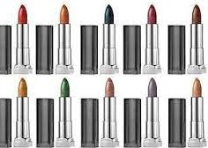
 | 40 Silk Stone | 3600531419677 | 83 | 2.40 € | 12.00 €
MAYBELLINE Color Sensational - LipStick |  | 3600531553340 | 63 | 2.90 € | 12.00 € | 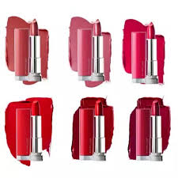
 | 916 Neon Red | 3600530851881 | 11 | 2.90 € | 12.00 €
 | 510 Risk Taker Coral | 8411300455681 | 12 | 2.90 € | 12.00 €
 | 305 Frozen Rose | 3600531553395 | 346 | 2.90 € | 12.00 €
 | 527 Lady Red | 3600530559749 | 106 | 2.90 € | 12.00 €
 | 916 Neon Red | 3600531127657 | 45 | 2.90 € | 12.00 €
MAYBELLINE Color Sensational Spice By Aminata B - LipStick | 765 Grey Over It | 4084200174507 | 4 | 2.90 € | 12.00 €
MAYBELLINE Color Sensational Bold - LipStick | 885 Midnight Merlot | 3600531352363 | 42 | 2.90 € | 12.00 €
 | 882 Fury Fushia | 3600531352431 | 16 | 2.90 € | 12.00 €
MAYBELLINE Color Sensational Made For You - LipStick | 388 Plum For You | 3600531543334 | 283 | 2.90 € | 12.00 €
 | 379 Fuchsia For Me | 3600531543341 | 8 | 2.90 € | 12.00 €
 | 373 Mauve For Me | 8411300884009 | 12 | 2.90 € | 12.00 €
 | 376 Pink For Me | 8411300884016 | 13 | 2.90 € | 12.00 €
MAYBELLINE Color Sensational Matt - LipStick | 885 Midnight Merlot | 3600531352264 | 681 | 2.40 € | 12.00 €
 | 891 Sapphire Siren | 3600531417307 | 2548 | 2.40 € | 12.00 €
 | 883 Orange Danger | 3600531352349 | 21 | 2.40 € | 12.00 €
 | 970 Daring Ruby | 3600531224301 | 92 | 2.40 € | 12.00 €
 | 932 Clay Crush | 3600531349998 | 1 | 2.40 € | 12.00 €
 | 968 riche Ruby | 3600531349752 | 1 | 2.40 € | 12.00 €
 | 975 Divine Wine | 3600531224516 | 1 | 2.40 € | 12.00 €
MAYBELLINE Color Sensational Shine - LipStick | 60 Chocolate | 3600531505837 | 2248 | 2.40 € | 12.00 € | 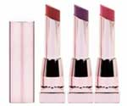
 | 65 Spicy Mauve | 3600531505851 | 599 | 2.40 € | 12.00 €
 | 90 Scarlett Flame | 3600531505769 | 1207 | 2.40 € | 12.00 €
 | 90 Scarlett Flame | 3600531506513 | 225 | 2.40 € | 12.00 €
 | 125 Plum Oasis | 3600531505820 | 2 | 2.40 € | 12.00 €
 | 130 Spicy Sangria | 3600531505844 | 1070 | 2.40 € | 12.00 €
 | 120 Berry Blackmail | 3600531505813 | 76 | 2.40 € | 12.00 €
 | 125 Plum Oasis | 3600531506575 | 13 | 2.40 € | 12.00 €
 | 65 Spicy Mauve | 3600531506605 | 1 | 2.40 € | 12.00 €
 |  | GLOSS
DESCRIPTIF | COLOR | CODE EAN | QTY TOTAL |  | PUBLIC PRICE | PHOTO
MAYBELLINE Lifter Gloss - Gloss | 017 Copper | 3600531651183 | 1239 | 3.40 € | 15.00 € | 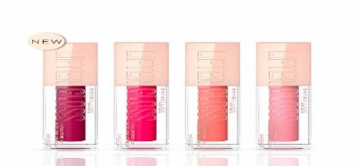
 | 025 Taffy | 30144668 | 80 | 3.40 € | 15.00 €
 | 16 Rust | 3600531651176 | 1 | 3.40 € | 15.00 €
 | 24 Bubble Gum | 30152335 | 1 | 3.40 € | 15.00 €
MAYBELLINE Color Elixir - Gloss | 500 Mandarine Rupture | 3600530958085 | 8 | 3.40 € | 15.00 €
MAYBELLINE Color Sensationnal Crystal - Gloss | 210 Strinking Peach | 30117082 | 24 | 3.40 € | 15.00 €
MAYBELLINE Vivid Matte Liquid - Gloss | 15 Electric Pink | 8411300474736 | 184 | 1.90 € | 10.00 € | 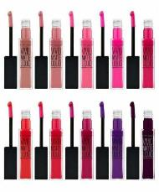
 | 30 Fushia Ecstasy | 3600531322137 | 1401 | 1.90 € | 10.00 €
 | 43 Purple | 3600531414672 | 746 | 1.90 € | 10.00 €
 | 25 Orange Shot | 3600531322120 | 11 | 1.90 € | 10.00 €
 | 5 Nude Flush | 3600531322182 | 24 | 1.90 € | 10.00 €
 | 07 Blushing Beige | 3600531414597 | 2 | 1.90 € | 10.00 €
 | 47 Deepest Plum | 8411300681851 | 12 | 1.90 € | 10.00 €
 | 43 Purple | 8411300681646 | 129 | 1.90 € | 10.00 €
 | 55 Sinfu | 3600531414658 | 269 | 1.90 € | 10.00 €
 | 35 Rebel Red | 3600531322243 | 1 | 1.90 € | 10.00 €
MAYBELLINE Vivid Hot Laquer - Gloss | 70 So Hot | 3600531393724 | 1133 | 1.90 € | 10.00 € | 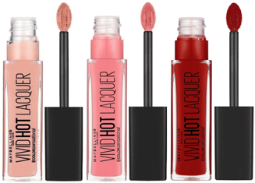
 | 78 Royal | 3600531393809 | 415 | 1.90 € | 10.00 €
 | 68 Sassy | 8411300608025 | 12 | 1.90 € | 10.00 €
 | 70 So Hot | 8411300608094 | 12 | 1.90 € | 10.00 €
 | 84 Slay It | 3600531393847 | 1484 | 1.90 € | 10.00 €
 | Slay It | 8411300608308 | 7 | 1.90 € | 10.00 €
MAYBELLINE Color Drama - Gloss | 120 Fight | 3600531340810 | 2799 | 1.90 € | 10.00 € | 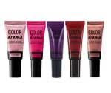
 | 110 110 | 3600531340803 | 62 | 1.90 € | 10.00 €
 | 370 Vamped | 3600531340834 | 80 | 1.90 € | 10.00 €
 | 610 610 | 3600531340889 | 15 | 1.90 € | 10.00 €
MAYBELLINE Lip Studio Plumper Please - LipStick | 205 Close Up | 41554545371 | 491 | 1.90 € | 15.00 € | 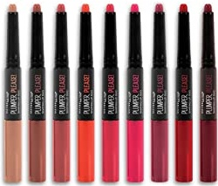
 | 210 All Access | 41554545357 | 2036 | 1.90 € | 15.00 €
 | 225 Cheeky | 41554545432 | 4739 | 1.90 € | 15.00 €
 | 230 Exclusive | 41554545395 | 304 | 1.90 € | 15.00 €
 | 220 Power Stare | 41554545418 | 12 | 1.90 € | 15.00 €
 | 235 Hot & Spicy | 41554545388 | 1195 | 1.90 € | 15.00 €
 |  | BLUSH
DESCRIPTIF | COLOR | CODE EAN | QTY TOTAL |  | PUBLIC PRICE | PHOTO
MAYBELLINE Baby Lips Balm & Blush - Blush | 6 Shimmering Bronz | 30119185 | 2514 | 2.40 € | 15.00 € | 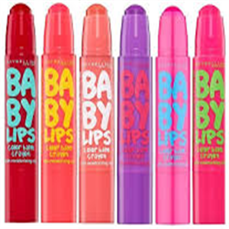
 | 5 Bomming Ruby | 30119178 | 1866 | 2.40 € | 15.00 €
 | 5 | 8411300460791 | 1 | 2.40 € | 15.00 €
 | 2 | 8411300496042 | 25 | 2.40 € | 15.00 €
 | 1 Innovent Peach | 30119130 | 894 | 2.40 € | 15.00 €
MAYBELLINE Mega Mousse Green Edition - Blush | 002 Bonfire | 30164888 | 521 | 2.40 € | 15.00 € | 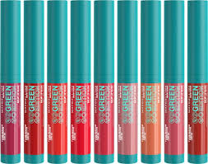
 | 003 Sunshine | 30166004 | 174 | 2.40 € | 15.00 €
 | 009 Lightning | 30158344 | 3 | 2.40 € | 15.00 €
 | 001 Midnight | 30160880 | 18 | 2.40 € | 15.00 €
 | 004 Flare | 30166011 | 200 | 2.40 € | 15.00 €
 | 007 Moonlight | 30159778 | 105 | 2.40 € | 15.00 €
 | 008 Desert | 30160897 | 267 | 2.40 € | 15.00 €
 | 010 Sandalwood | 30158337 | 390 | 2.40 € | 15.00 €
 |  | LIP PENCIL
DESCRIPTIF | COLOR | CODE EAN | QTY TOTAL |  | PUBLIC PRICE | PHOTO
MAYBELLINE Color Sensational Shaping - LipPencil | 1 High | 3600531431747 | 2543 | 2.40 € | 9.00 € | 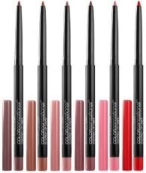
 | 10 Nude Whisper | 3600531361389 | 6008 | 2.40 € | 9.00 €
 | 92 Divine Wine | 3600531496258 | 3 | 2.40 € | 9.00 €
 | 90 Brick Red | 3600531361464 | 957 | 2.40 € | 9.00 €
 | 64 Blushed Rose | 3600531553203 | 611 | 2.40 € | 9.00 €
 |  | 3600531553197 | 24 | 2.40 € | 9.00 €
MAYBELLINE Color Sensational - LipPencil | 132 Sweet Pink | 3600530575428 | 34 | 1.90 € | 9.00 €
 | 547 Pleasure Me Red | 3600530575503 | 211 | 1.90 € | 9.00 €
MAYBELLINE Color Drama - LipPencil | 130 Love Me Pink | 3600531030032 | 7 | 1.90 € | 9.00 €
 | 150 Fuschia Desire | 3600531030056 | 18 | 1.90 € | 9.00 €
 | 510 Red Essential | 3600531030117 | 104 | 1.90 € | 9.00 €
...
 |  | MASCARA
 | 255 Mauve On | 3600530861484 | 478 | 1.15 € | 10.39 €
 | 210 Eternal Lilac | 3600530863426 | 30 | 1.15 € | 10.39 €
 | 615 Mint For Life | 3600530863471 | 52 | 1.15 € | 10.39 €
 | 820 Moss Forever | 3600530863488 | 99 | 1.15 € | 10.39 €
 | 815 Carbon Grey | 3600530863532 | 111 | 1.15 € | 10.39 €
 | 22 Lookout Lemon | 3600531047047 | 222 | 1.15 € | 10.39 €
 | Primer | 3600531417680 | 197 | 1.15 € | 10.39 €
 | 919 Coral Daze | 3600531568757 | 8 | 1.15 € | 10.39 €
 | 919 Coral Daze | 3600531568832 | 1421 | 1.15 € | 10.39 €
 | 909 Urban Steel | 3600531560751 | 1 | 1.15 € | 10.39 €
MAYBELLINE Tenue Strong & Pro Technologie Gel - NailPolish | 873 Sun Kissed | 3600531193058 | 4123 | 1.15 € | 10.39 € | 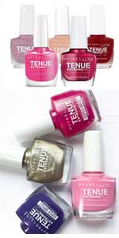
 | 874 Red Hot Gateway | 3600531193041 | 2556 | 1.15 € | 10.39 €
 | 5 Extreme B'Currant | 3600530128839 | 765 | 1.15 € | 10.39 €
 | 180 Rose Fuchsia | 3600530555628 | 170 | 1.15 € | 10.39 €
 | 490 Rose Salsa | 3600530555642 | 149 | 1.15 € | 10.39 €
 | 140 Rose Raptur | 3600531304768 | 1 | 1.15 € | 10.39 €
 | 897 Driver | 3600531500696 | 516 | 1.15 € | 10.39 €
 | 897 Driver | 3600531500757 | 1025 | 1.15 € | 10.39 €
 | 25 Crystal Clear | 3600530351190 | 1 | 1.15 € | 10.39 €
 | 911 Street Gred | 3600531560775 | 1 | 1.15 € | 10.39 €
MAYBELLINE Color Show - NailPolish | 357 Burgundy Kiss | 30096950 | 63 | 1.15 € | 10.39 €
...
 |  | MASCARA
 | 754 Pow Green | 8411300316371 | 7 | 1.15 € | 10.39 €
 | 130 Winter Baby | 30096912 | 946 | 1.15 € | 10.39 €
 | 104 Noite De Gal | 30101203 | 1 | 1.15 € | 10.39 €
 | 341 Orange Attck | 30096967 | 1 | 1.15 € | 10.39 €
 | 342 Coral Craze | 30097124 | 33 | 1.15 € | 10.39 €
 | 449 Crimson Flush | 30119741 | 1 | 1.15 € | 10.39 €
 | 476 Shimmer & Chic | 30141957 | 1 | 1.15 € | 10.39 €
 | 661 OCEAN BLUE | 30097018 | 1 | 1.15 € | 10.39 €
 | 749 Electric Yellow | 30097575 | 1 | 1.15 € | 10.39 €
 | 90 Crystal Rocks | 30137547 | 1 | 1.15 € | 10.39 €
MAYBELLINE Fast Gel - Nailpolish | 06 Orange Shot | 30145108 | 3 | 1.15 € | 10.39 € | 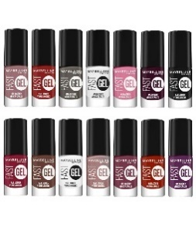
 | 07 Pink Charge | 30147669 | 7 | 1.15 € | 10.39 €
 | 11 Red Punch | 30147676 | 5 | 1.15 € | 10.39 €
 | 1 Topcoat | 30152762 | 7 | 1.15 € | 10.39 €
 | 09 Plum Party | 30152786 | 2 | 1.15 € | 10.39 €
 | 17 Blackout | 30152809 | 2 | 1.15 € | 10.39 €
MAYBELLINE 3D Effect Top Coat - Nailpolish |  | 3600531318956 | 212 | 1.15 € | 10.39 €
MAYBELLINE Express Manicure - Nailcare |  | 30071186 | 156 | 1.15 € | 10.39 €
MAYBELLINE Express Manicure -Nailpolish | calcium | 30071353 | 27 | 1.15 € | 10.39 €
MAYBELLINE Express Manucure - Nailcare |  | 30071216 | 73 | 1.15 € | 10.39 €
 |  | ACCESSOIRES
...

L'oreal
...
 |  | MASCARA
 | 9D Mahogany | 3600523500161 | 2217 | 3.00 € | 15.00 €
 | 1 N Ivoire | 3600523500154 | 468 | 3.00 € | 15.00 €
 | 1C Ivory Rose | 3600523500284 | 652 | 3.00 € | 15.00 €
 | 2R 2R Vanille Rosé | 3600523500185 | 468 | 3.00 € | 15.00 €
 | 3 N Creamy Beige | 3600523500208 | 651 | 3.00 € | 15.00 €
 | 666 D D D | 3600523500246 | 256 | 3.00 € | 15.00 €
 | 7D Ambre Doré | 3600523500253 | 339 | 3.00 € | 15.00 €
L'OREAL Age Perfect Radiant - Concealer | 3 Dark | 3600523333219 | 809 | 3.00 € | 15.00 €
 | 1 Clair | 3600523333196 | 75 | 3.00 € | 15.00 €
 | 2 Medium | 3600523333202 | 54 | 3.00 € | 15.00 €
L'OREAL Infaillible More Than Concealer 11ml - Concealer | 330 Pecan | 8411300535260 | 211 | 3.70 € | 15.00 € | 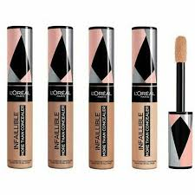
 | 338 Miel | 30173484 | 13 | 3.70 € | 15.00 €
 | 340 Praline | 30150645 | 836 | 3.70 € | 15.00 €
 | 343 Truffle/T | 30173538 | 1393 | 3.70 € | 15.00 €
 | 2 BLEU LAVANDE | 30176553 | 1 | 3.70 € | 15.00 €
 | 323 Fawn | 30173583 | 7 | 3.70 € | 15.00 €
 | 324 Oatmeal | 30173590 | 5 | 3.70 € | 15.00 €
 | 325 Bisque | 30173606 | 4 | 3.70 € | 15.00 €
 | 326 Vanilla | 30173613 | 9 | 3.70 € | 15.00 €
 | 327 Cashmere | 30173620 | 19 | 3.70 € | 15.00 €
 | 328 Lien | 30150638 | 11 | 3.70 € | 15.00 €
...

